Guide
 |  |  |  | RDCL-00336 v.5
 |  |  | Supplier Process Change Notification (PCN)

 |  |  | Guidelines

Introduction:
 | The supplier shall notify Tenneco of all permanent and temporary product or process changes.

Purpose:
 | A process guideline to the changes related to supplier that impacts the final product to Tenneco. The changes at the supplier could be ranging from manufacturing location change and all the way to cost-saving opportunity. All direct material suppliers (including few indirect suppliers with influence on BOM), regardless of component priority, shall follow the PCN process. The PCN shall be reviewed and agreed jointly by Tenneco and supplier, prior to implementation.

Process Change Notice:
 | The Tenneco PCN Process consists of 3 phases:
 | Phase-I | Supplier provides all change details by filling the PCN Form, Process Change Detail and Part Detail Tabs & submits to Tenneco Buyer.

 | Phase-II | Tenneco Buyer reviews the request and distributes to the Tenneco Plants impacted by the change, Supplier Development and Engineering as required.

 | Phase-III | Tenneco Engineering, Supplier Development and Quality to provide their feedback and in case approval, their requirements for implementing the change.

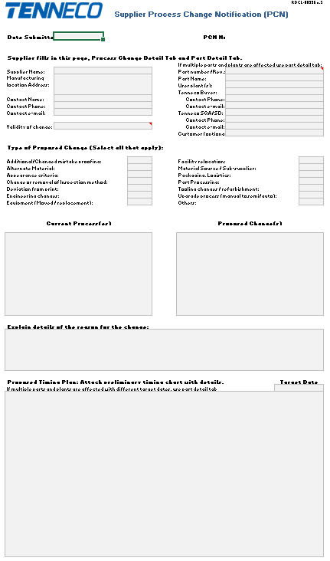
1
2
3
4
5
6
7
Guidelines:
PCN Form Tab: To be filled by the supplier
 | Step-1 | Supplier shall raise the PCN by filling the general information about their organization.

 | Step-2 | Fill the affected part details, such as part #, Tenneco user plant & Tenneco Buyer & Tenneco SQA/SD contact details, for better communication. Use the Part Detail Tab to collect details on multiple plants/part affected.

 | Step-3 | Supplier shall select the change proposed, in the options, available. If some option is not available, fill in as other.

 | Step-4 | Supplier shall fill here, “what is the Current situation”, clearly described. Highlight details on the Process Change Detail Tab.

 | Step-5 | Supplier shall fill here, “what is the proposal”, clearly described. Highlight details on the Process Change Detail Tab.

 | Step-6 | Supplier shall give reason for the proposed change, for better understanding highlight the changes on the Process Change Detail Tab.

 | Step-7 | Fill the timing plan and expected implementation date. (timing Gantt chart can be attached separately, to PCN)

Process Change Details Tab: To be filled by the supplier
 | This Tab is to add additional details when there will be equipment changes, location changes, process changes... Give the details per the process step on what the current location, process type and/or machine and the proposed change is. Add pictures as needed to better explain the changes.

Part Details Tab: To be filled by the supplier
 | This tab is to add the details when there are several part numbers and/or plants impacted by the change.

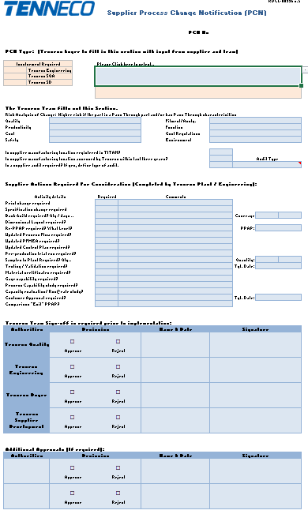
1
2
3
4
5
6
7
8
9
PCN Approval Tab: To be filled by Tenneco
 | Step-1 | The Tenneco Buyer shall select the applicable “PCN Type”. To do so, click the designated cell and choose the appropriate “Change Type / Impact” from the drop-down list. The selection will identify the required Tenneco functions to be involved (Engineering, SQA, and/or SD) and indicate whether a PPAP submission is mandatory.

 | Step-2 | Change Type & requirement reference table, for identifying the involvement required.

 | Step-3 | Risk needs to be identified & addressed, jointly by supplier & Tenneco before implementing the change.

 | Step-4 | Tenneco Quality, Supplier Development & Engineering shall define the requirements for the PCN in “Required” column and provide relevant comments so supplier understands exactly what documentation is needed.

 | Step-5 | Bank build shall be defined by the Plant Material Group or Buyer, prior to implementation of Change. (in # of days coverage).

 | Step-6 | If PPAP is required, Level shall be defined by Tenneco plant Quality and PPAP date shall be agreed upon. TITAN PPAP request will be placed into TITAN by the Buyer.

 | Step-7 | If testing/ validation is required by Tenneco Eng. or the customer, the date shall be confirmed by Tenneco Buyer and communicated to the supplier.

 | Step-8 | If Customer PPAP is required define PPAP level & target date confirmed by Customer. Supplier PPAP cannot be approved before Customer PPAP release.

 | Step-9 | Prior to proceeding with the PCN, the worksheet shall be signed with date & decision, by the respective approving authorities. A DocuSign signing guide is provided in a separate tab for your reference.

 | Step-10 | All PCN's, both approved and also rejected, will be uploaded to the Tenneco internal Database defined in the RDCL-00031 process by the responsible Buyer.

 | Step-11 | PCN's that require PPAP, a copy of the signed PCN notice will be uploaded into the PPAP c-folder in TITAN.

Docusign signing Guide
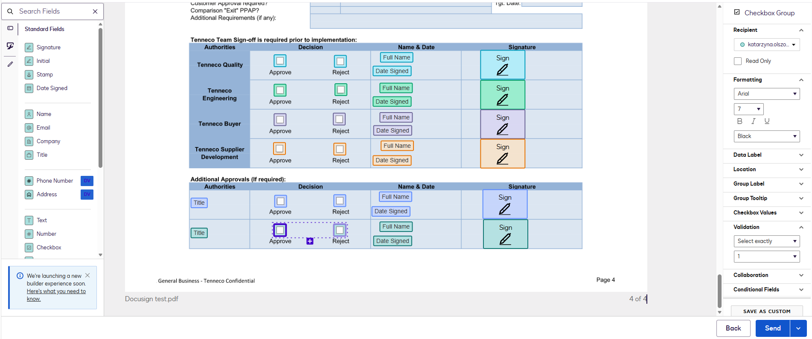
 |  |  |  | RDCL-00336 v.5
 |  |  | Docusign Signing Guide

Introduction:
 | DocuSign is a secure and widely recognized electronic signature platform used to send, review, approve, and sign documents digitally. It is an approved tool within Tenneco for managing document workflows, ensuring efficiency, traceability, and compliance with internal and legal requirements. This guide provides step-by-step instructions on how to prepare, send, review, and complete document approvals and signatures using DocuSign.

Purpose:
 | The purpose of this guide is to provide clear and standardized instructions for preparing, sending, approving, and signing documents using DocuSign. It aims to ensure a consistent, efficient, and compliant approach to electronic document management within Tenneco, while improving traceability, reducing processing time, and supporting secure digital workflows.

Guidelines:
 | Step 1: Convert the Excel Document to PDF
 |  | 1. Select the tabs (worksheets) that need to be included in the document.
 |  | 2. Navigate to File > Export.
 |  | 3. Select Create PDF/XPS Document.
 |  | 4. Click Create PDF/XPS.
 |  | 5. Enter the desired file name and select the folder location where the PDF will be saved.
 |  | 6. Click Publish.

 | Step 2: Upload the Document to DocuSign
 | Once the PDF document has been created, it must be uploaded to DocuSign to initiate the approval and signing workflow.
 |  | 1. Log in to DocuSign using your corporate credentials at https://apps.docusign.com.
 |  | 2. From the DocuSign homepage, click “Start” and select “Send an Envelope”.
 |  | 3. Click “Upload” or drag and drop the PDF document into the upload area.
 |  | 4. Verify that the correct document has been uploaded.
 |  | 5. Enter the subject and message to provide context to the recipients (e.g., document purpose or required action).

 | Step 3: Assign Recipients
 | After uploading the document, define the recipients involved in the approval and signing process.
 |  | 1. In the "Add recipients" section, enter the email addresses and names of all required participants.
 |  | 2. Assign the appropriate role to each recipient (e.g., Needs to Sign, Receives a Copy, ...).
 |  | 3. Define the signing order, if required, by checking the "Set signing order" button and adjusting the routing order (e.g., 1, 2, 3) to ensure the document is reviewed and signed in the correct sequence.

 |  | 4. Verify that all required stakeholders are included and correctly assigned.
 | Once recipients have been added and the order is set, click "Next" to proceed to configure the required fields for each participant.

 | Step 4: Add Signature and Approval Fields
 | After assigning recipients, configure the required fields to indicate where each participant must take action.
 |  | 1. Ensure each field is assigned to the correct recipient by selecting their name from the dropdown list.
 |  | 2. From the left-hand panel, select the field types required, such as:
 |  | a) Checkbox (in case the decision was not checked in the excel file)
 |  | Make sure of hitting the "+" button to provide both Approve and Reject options to the approver and
 |  | on the "Validation" field of the right-hand panel, "Select exactly" "1" to make sure there is a decision.
 |  | b) Name
 |  | c) Date Signed
 |  | d) Signature
 |  | e) Title (in case additional approval authorities are required)
 |  | 3. Drag and drop the fields onto the appropriate locations in the document.
 |  | 4. Verify that all required fields are correctly placed and marked as mandatory where applicable.
 | Once all fields are configured, the document is ready to be sent for approval and signature. Click "Send".

Revision
Process Change Notification
History
TEN Document n° |  | RDCL-00336 | Revision: | 5 | Revision date: | 2026-07-23 | Owner | Supplier Development
Document Revision History :
Rank Failure Types
Revision Level | DATE | Change |  |  |  |  |  | Author
5 | 2026-07-23 | Lay-out Changed to improve printability and signing process. Guide updated with the Docusign signature process flow. Temporary Deviation Worksheet removed. Supporting Tables updated. |  |  |  |  |  | A. Salinas

4 | 2026-04-02 | Risk assessment questions added on sheet PCN Form - row 76-78 |  |  |  |  |  | K. Duchateau
3 | 2025-07-17 | Tenneco logo iso DRiV logo / Temporary Deviation worksheet & guidelines added |  |  |  |  |  | K. Duchateau
2 | 2023-03-28 | Review table (cell Q1522) - change to Tenneco |  |  |  |  |  | K. Duchateau
1 | 2020-06-30 | Change of packaging added to the list |  |  |  |  |  | K. Duchateau
0 | 2020-06-12 | Transferred from Tenneco legacy system as a stand alone document - ref. RDCL-00031v0 and document completely revised |  |  |  |  |  | K. Duchateau

