APQP Guide

Supplier APQP Tracker Template
Guidelines

DRiV Document n° |  | RDCL-00444 | Revision: | 0 | Revision date: | 14/10/2020 | Purchasing
Purpose :
The Supplier APQP tracker Template summarizes the component status and provides an assessment at a Milestone level. Suppliers should provide APQP status reports for a new product to meet the program quality, cost, performance and timing objectives. Similar components can be reported as a group if agreed by the DRiV Application buyer and/or SDE/SQE assigned.

All Suppliers will use this form for Program tracking in alignment with the TITAN c-folders. The APQP Tracker Template should be uploaded into the TITAN C-folder by the Supplier. This APQP Tracking Sheet can be found in the Supplier Quality Manual.

Supplier APQP Process
The DRiV Supplier APQP process is using 4 Project-Phases. By selecting the project phase, the sheet will highlight Milestones and/or Elements which needs to be completed within this project phase. The supplier should rate only the elements which are highlighted in bold.

Phase 1 | Supplier Kick-Off
 | The Kick-Off Phase starts after the supplier has been awarded the business. DRiV and the Supplier define the Key Milestones, Project Timing and establish the deliverables and expectations from the supplier for the component and program. In the event "Design Validation Plan (DVP)" is submitted by the supplier and signature approved by DRiV Engineering. The signed DVP must be uploaded into Titan.
Phase 2 | Product/Process Development
 | Supplier completes designs for his tooling, assembly lines/cells, gauging required to manufacture the component/material. The supplier shall collect data to assure that the manufactured items meet drawing, specification and capacity requirements.This phase ends with the approval of the tooling, assembly equipment and gauging at the supplier’s facility.
Phase 3 | Pre-PPAP
 | In this phase the supplier is doing a serial production trial run using production tooling, assembly equipment and gauging. The important activity during this phase is the first part inspection by the supplier, and subsequent tuning of the process to produce components that conform to the drawings and specification.This Phase ends with the completion of the PPAP production run.
Phase 4 | Product/Process Validation & Launch
 | This is the last phase of APQP. During this phase the supplier has to complete and submit a Production Product Approval Process (PPAP) package to the DRiV approval plant. By end of this Phase all additional project Milestones need to be completed. The suppliers should have records to demonstrate the successful completion of the APQP process (Lessons Learned).

Program - Timing
Program Need Date
The Program Need Dates for each Project Milestone needs to be established by the Supplier at the beginning of the program. It shows the date by which the Milestone must be completed to support the whole project timing. These dates can be modified with approval by DRiV to ensure that any impact on the critical path of the program is understood and controlled.
Supplier Timing Date
The Supplier Timing Date is the commitment date established by the supplier in order to support the project timing. The Supplier Timing Date is determined by your organization’s internal APQP process and resources. Any Supplier Timing Date that exceed the Program Needs Date shall be addressed with the DRiV Team and supported with an action plan.
Program - Rating and Assessment
The Rating is based on a "green - yellow - red" status towards the successful completion of the APQP Milestone
The "G-Y-R" status of the overall rating shows the status of the program in terms of quality and timing.

Definitions/Risk factors for "Green - Yellow - Red" are listed in the table below
Status - Definition
Risk Color Definition
RED
Yellow
Green
Target dates and/or deliverables are at risk, but recovery plan
has been developed to achive program targets and has been approved by the appropriate Management Team
Target dates and/or deliverables are on track and meet objectives
Target dates and/or deliverables are at risk. A recovery plan is not available and/or implemented, or the plan does not achieve program targets
High
Medium
Low
Action register required

Milestones - Rating and Assessment
To indicate the actual status for each Milestone towards the Program Need date, the "G-Y-R" rating as per Ranking sheet needs to be used.
Program Need Date is the last possible date a Milestone needs to be completed without negative impact to quality or timing of the program.
Additional Milestones need to be tracked and reported as requested by DRiV. In doubt, please ask the DRiV Application buyer and/or the assigned SDE/SQE.
Reporting frequency / Status update
The Supplier will upload the APQP Tracker Template into c-folder of TITAN and send a copy to the dedicated DRiV Application buyer, assigned SDE/SQE and to the Plant SQA. The reporting frequency should be as follows:
• Immediately, if project timing and/or deliverables are in danger (APQP Risk is red) • Monthly for all tooling with Lead time ≥ 4 weeks • Weekly for all tooling with Lead time < 4 weeks (or if APQP risk is yellow) • Weekly, if program timing is ≤ 4 weeks prior PPAP
Frequency can be adjusted depending on direction from Applications Buyer and/or SDE/SQE request.
How to name the APQP Tracking Status File
Saved as an exel-file using the Part Number-Program Name in File name.

See below details on how to use this file.

"APQP Tracking Sheet" Tab
1) Click on |  | to initiate this form - displays the screen below

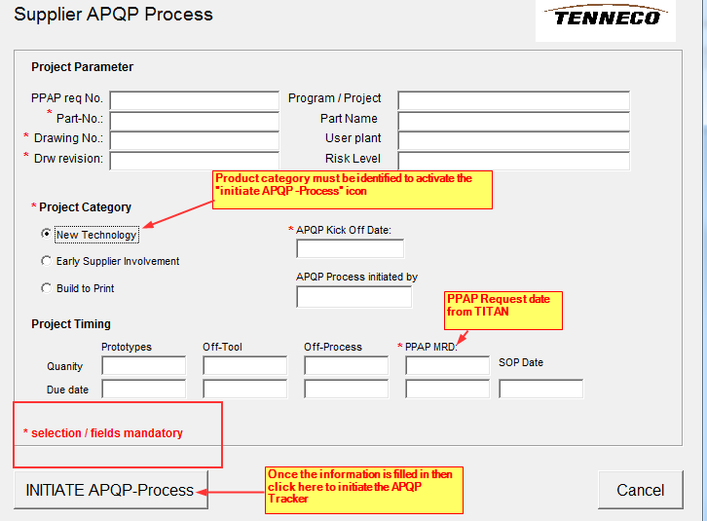

Project Category
"New Technology" choose this icon if the Supplier is "design responsible" or a portion of within the development.
"Early Supplier Involvement" choose this icon if Supplier is involved in the design verification with DRiV.
"Build to print" choose this icon if Supplier is not involved in the design phase and will build to print supplied.

The Program Need Date (PND) is transferred from the PND Worksheet, but the "Date Committed" is manually entered. This date is a date the Supplier commits to the deliverable - this date must be the same or prior to the PND date.

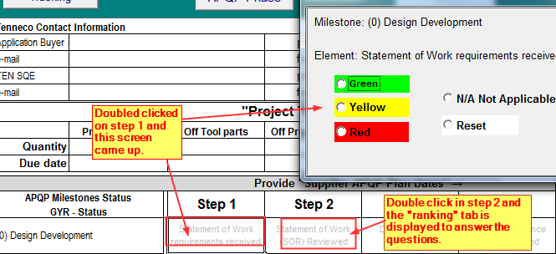
"Ranking" Tab automatically displays when milestone step is clicked on.
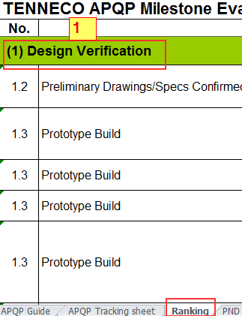
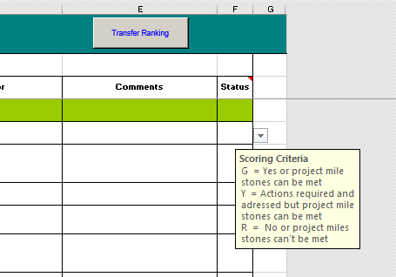
Once the Status is ranked then click on "Transfer Ranking". This will update the APQP Template sheet.
When the step takes you to the "Ranking"-Tab - review the questions and enter the appropriate status
2

Once the first two milestones are completed then you are able to initiate the next APQP Phase.
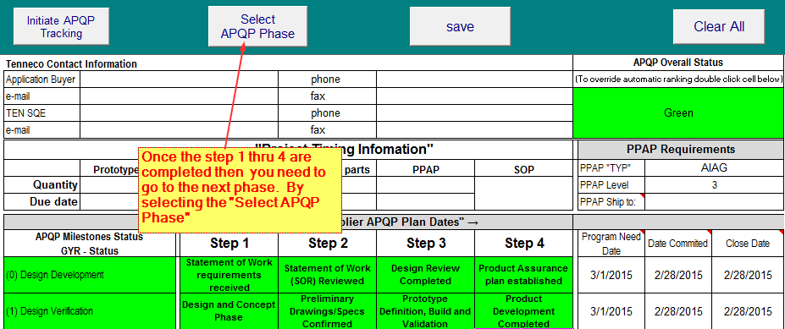

 | 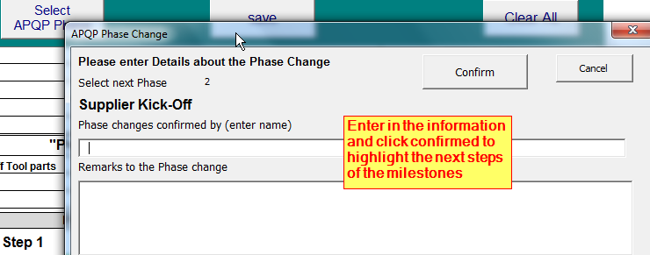

The above steps repeat until all 4 Phases and the associated milestones are completed.

The APQP Tracking Sheet Tab which is linked to the "Ranking Tab" must be completed.
The "Action Plan" Tab must be used to track any actions that are required to keep program on track
The "PND Guide" Tab (Program Need Date Guide) is optional if your company has an established tool to develop program timing/APQP tool. If the PND Guide is used then the dates for Need Date will be pulled from this tab. If this tab is not used then the Need date will be pulled from the Supplier's APQP program timing.

"PND GUIDE" TAB (PROGRAM NEED DATE GUIDE)
The PND Guide starts at the PPAP required date and the Supplier adds in the number of days required for each task
This form will calulate the Need date for each milestone to ensure on time PPAP.
The need dates will automatically transfer over to the APQP

PND Guide
Supplier APQP, Program Need Date Calculation Guide
PPAP Material Receiving Date @ DRiV Plant

APQP Milestone |  |  |  | Day's | PND
11 | PPAP Submission | 11.1 | How many days are needed to ship PPAP parts & PPAP documentation to DRiV plant ?
10 | IMDS Material Information | 10.1 | How many day's are needed to add material information into the IMDS database ?
9 | Production Trial Run | 9.3 | How many days are needed to review PPAP package prior submission to Customer ?
 |  | 9.2 | How many days are needed to prepare full PPAP documentation, including sub supplier PPAP capacity information, etc ?
 |  | 9.1 | How many day's are needed to analyse process capability data from the production trail run ?
8 | Team member Process Instructions Progress | 8.2 | How many day's are needed to produce the PPAP parts ?
 |  | 8.1 | How many days are needed to do try-outs /optimization work to approve tooling and test equipment ?
7 | Measurement System Evaluation Progress | 7.1 | How many days are needed to train Team members and to verify training results ?
6 | Tooling & Gauges Progress | 6.2 | How many days are needed to verify functionality of gauges / test equipment and to approve them ?
 |  | 6.1 | How many day's are needed to produce the PPAP parts ?
5 | Production Control Plan Progress | 5.2 | How many days are needed to define control gauges, including all elements of the production control plan ?
 |  | 5.1 | If requested, how many days are needed for customer review ?
4 | Process FMEA Progress | 4.2 | How many days are needed to finalize design of all tooling and test equipment ?
 |  | 4.1 | How many days are needed to develop a Production Control Plan, including PFMEA expects as well as considering all special characteristics to ensure customer requirement fullfillment ?
3 | Manufacturing Process Flow Chart Progress | 3.2 | How manny days are needed to develop a Process FMEA including all elements of the Manufacturing Process flow and considering all special characteristics ?
 |  | 3.1 | How many days are needed by the supplier to review drawings & specifications and do a feasibility analyse ?
2 | Drawing / Spec Information Available | 2.2 | How many days are needed by the supplier to define a robust manufacturing process flow in order to achive all customer expectations ?
 |  | 2.1 | How many days are needed by the supplier to review drawings & specifications and confirm feasibility ?
1 | Design Verification & Validation / Product & Process Design & Development | 1.5 | How many days to develop the Process Design?
 |  | 1.4 | How many days DRiV Engineering would need to (Product) "Validate Design" & provide DVP&R?
 |  | 1.3 | How many days Supplier Engineering would need to (Product) "Validate Design" & provide DPV&R from production intent process?
 |  | 1.2 | Timing for serial tooling for PV testing: all components
 |  | 1.1 | How many days will the PV (Product Validate) design Release (by DRiV) take?
0 | Design & Development | 0.5 | How many days will a software schematic review take to complete (DRiV & Supplier)
 |  | 0.4 | How many days to DV (Design Validation) Test Results
 |  | 0.3 | DV Level: How many days to provide parts from prototype tooling
 |  | 0.2 | How many days to Design Release (DRiV / Supplier)
 |  | 0.1 | How many days to review and align the SOW & SOR between DRiV and supplier

 |  |  |  | RDCL-00444 version 0

Version
 |  | Supplier APQP Tracking Sheet
Revision

DRiV Document n° |  | RDCL-00444 | Revision: | 0 | Revision date: | 2020-10-14 |  | Purchasing
Document Revision History :
Rank Failure Types
Revision | DATE | Change |  |  |  |  | Author
0 | 14-Oct-20 | Transferred from Tenneco legacy system, released as a stand alone document and adapt to DRIV - macro Activate_Phase4 corrected |  |  |  |  | Koen Duchateau

